Sheet 1
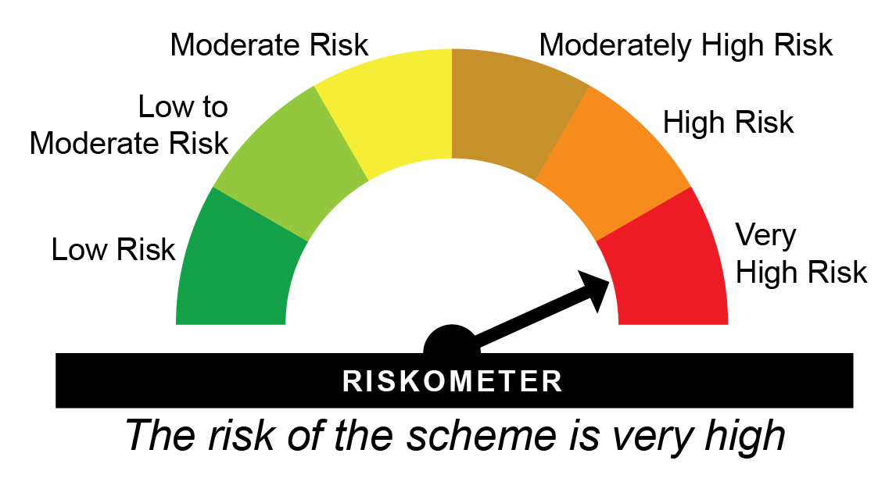
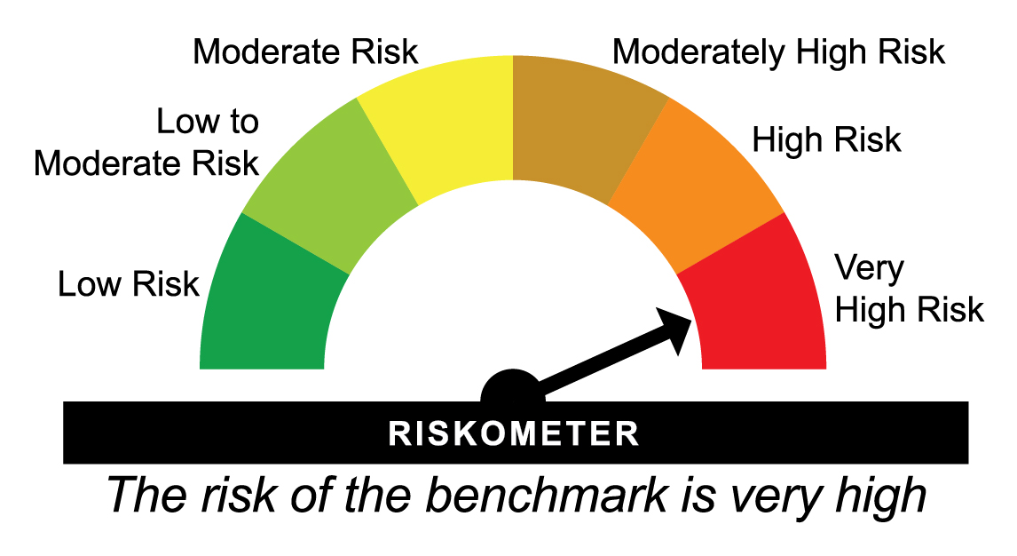
HDFCNYEXTF - HDFC NIFTY 50 ETF - Regular Plan - Growth |  |  |  |  |  | NAV as at May 30, 2025 |  | 274.6981 | Scheme Riskometer | Benchmark Riskometer
Date | Period | NAV per Unit (₹) | Scheme Returns (%)^ | Benchmark Returns(%)# | Additional Benchmark Returns ##(%) | Value of Investment of ₹ 10000@
 |  |  |  |  |  | Scheme (₹) | Benchmark #(₹) | Additional Benchmark ##(₹)

May 31, 24 | Last 1 Year | 247.516 | 10.98 | 11.08 | 11.33 | 11,095 | 11,104 | 11,129
May 31, 22 | Last 3 Years | 178.340 | 15.49 | 15.56 | 14.95 | 15,403 | 15,432 | 15,189
May 29, 20 | Last 5 Years | 100.708 | 22.2 | 22.29 | 21.66 | 27,277 | 27,380 | 26,686
Dec 09, 15 | Since Inception | 76.125 | 14.5 | 14.63 | 14.64 | 36,085 | 36,493 | 36,526
^Past performance may or may not be sustained in future and is not a guarantee of any future returns. Returns greater than 1 year period are compounded annualized (CAGR). # Nifty 50 TRI ## BSE Sensex TRI
The Scheme does not offer any Plans/Options. The scheme is managed by Abhishek Mor (since February 15, 2023) & Arun Agarwal (since August 24, 2020).
Since Inception Date = Date of First allotment in the Scheme / Plan.
Load is not taken into consideration for computation of performance.

HDFCSXEXTF - HDFC BSE Sensex ETF - Regular Plan - Growth |  |  |  |  |  | NAV as at May 30, 2025 |  | 91.0232 | Scheme Riskometer | Benchmark Riskometer
Date | Period | NAV per Unit (₹) | Scheme Returns (%)^ | Benchmark Returns(%)# | Additional Benchmark Returns ##(%) | Value of Investment of ₹ 10000@
 |  |  |  |  |  | Scheme (₹) | Benchmark #(₹) | Additional Benchmark ##(₹)

May 31, 24 | Last 1 Year | 81.835 | 11.23 | 11.33 | 11.08 | 11,120 | 11,129 | 11,104
May 31, 22 | Last 3 Years | 60.027 | 14.89 | 14.95 | 15.56 | 15,164 | 15,189 | 15,432
May 29, 20 | Last 5 Years | 34.254 | 21.56 | 21.66 | 22.29 | 26,573 | 26,686 | 27,380
Dec 09, 15 | Since Inception | 25.036 | 14.59 | 14.64 | 14.63 | 36,357 | 36,526 | 36,493
^Past performance may or may not be sustained in future and is not a guarantee of any future returns. Returns greater than 1 year period are compounded annualized (CAGR). # BSE Sensex TRI ## Nifty 50 TRI
The Scheme does not offer any Plans/Options. The scheme is managed by Abhishek Mor (since February 15, 2023) & Arun Agarwal (since August 24, 2020).
Since Inception Date = Date of First allotment in the Scheme / Plan.
Load is not taken into consideration for computation of performance.

HDFCBKEXTF - HDFC NIFTY Bank ETF - Regular Plan - Growth |  |  |  |  |  | NAV as at May 30, 2025 |  | 56.8927 | Scheme Riskometer | Benchmark Riskometer
Date | Period | NAV per Unit (₹) | Scheme Returns (%)^ | Benchmark Returns(%)# | Additional Benchmark Returns ##(%) | Value of Investment of ₹ 10000@
 |  |  |  |  |  | Scheme (₹) | Benchmark #(₹) | Additional Benchmark ##(₹)

May 31, 24 | Last 1 Year | 49.828 | 14.18 | 14.38 | 11.08 | 11,414 | 11,434 | 11,104
May 31, 22 | Last 3 Years | 35.645 | 16.87 | 17.11 | 15.56 | 15,961 | 16,060 | 15,432
Aug 21, 20 | Since Inception | 22.310 | 21.66 | 21.93 | 19.04 | 25,501 | 25,776 | 22,987
^Past performance may or may not be sustained in future and is not a guarantee of any future returns. Returns greater than 1 year period are compounded annualized (CAGR). # Nifty Bank TRI ## Nifty 50 TRI
The Scheme does not offer any Plans/Options. The scheme is managed by Abhishek Mor (since February 15, 2023) & Arun Agarwal (since August 24, 2020).
Since Inception Date = Date of First allotment in the Scheme / Plan.
Load is not taken into consideration for computation of performance.

HDFCN100ET - HDFC NIFTY 100 ETF - Regular Plan - Growth |  |  |  |  |  | NAV as at May 30, 2025 |  | 25.9101 | Scheme Riskometer | Benchmark Riskometer
Date | Period | NAV per Unit (₹) | Scheme Returns (%)^ | Benchmark Returns(%)# | Additional Benchmark Returns ##(%) | Value of Investment of ₹ 10000@
 |  |  |  |  |  | Scheme (₹) | Benchmark #(₹) | Additional Benchmark ##(₹)

May 31, 24 | Last 1 Year | 23.880 | 8.5 | 8.87 | 11.08 | 10,848 | 10,885 | 11,104
Aug 05, 22 | Since Inception | 17.727 | 14.41 | 14.81 | 14.54 | 14,616 | 14,760 | 14,662
^Past performance may or may not be sustained in future and is not a guarantee of any future returns. Returns greater than 1 year period are compounded annualized (CAGR). # Nifty 100 TRI ## Nifty 50 TRI
The Scheme does not offer any Plans/Options. The scheme is managed by Abhishek Mor (since February 15, 2023) & Arun Agarwal (since August 05, 2022).
Since Inception Date = Date of First allotment in the Scheme / Plan.
Load is not taken into consideration for computation of performance.

HDFCNY50ET - HDFC NIFTY Next 50 ETF - Regular Plan - Growth |  |  |  |  |  | NAV as at May 30, 2025 |  | 67.5757 | Scheme Riskometer | Benchmark Riskometer
Date | Period | NAV per Unit (₹) | Scheme Returns (%)^ | Benchmark Returns(%)# | Additional Benchmark Returns ##(%) | Value of Investment of ₹ 10000@
 |  |  |  |  |  | Scheme (₹) | Benchmark #(₹) | Additional Benchmark ##(₹)

May 31, 24 | Last 1 Year | 68.003 | -0.63 | -0.41 | 11.08 | 9,937 | 9,959 | 11,104
Aug 05, 22 | Since Inception | 41.818 | 18.56 | 18.93 | 14.54 | 16,159 | 16,303 | 14,662
^Past performance may or may not be sustained in future and is not a guarantee of any future returns. Returns greater than 1 year period are compounded annualized (CAGR). # Nifty Next 50 TRI ## Nifty 50 TRI
The Scheme does not offer any Plans/Options. The scheme is managed by Abhishek Mor (since February 15, 2023) & Arun Agarwal (since August 05, 2022).
Since Inception Date = Date of First allotment in the Scheme / Plan.
Load is not taken into consideration for computation of performance.

HDFCV20ETF - HDFC NIFTY50 Value 20 ETF - Regular Plan - Growth |  |  |  |  |  | NAV as at May 30, 2025 |  | 133.4524 | Scheme Riskometer | Benchmark Riskometer
Date | Period | NAV per Unit (₹) | Scheme Returns (%)^ | Benchmark Returns(%)# | Additional Benchmark Returns ##(%) | Value of Investment of ₹ 10000@
 |  |  |  |  |  | Scheme (₹) | Benchmark #(₹) | Additional Benchmark ##(₹)

May 31, 24 | Last 1 Year | 125.981 | 5.93 | 6.18 | 11.08 | 10,591 | 10,617 | 11,104
Sep 23, 22 | Since Inception | 86.070 | 17.74 | 18.09 | 15.42 | 15,505 | 15,627 | 14,695
^Past performance may or may not be sustained in future and is not a guarantee of any future returns. Returns greater than 1 year period are compounded annualized (CAGR). # Nifty50 Value 20 TRI ## Nifty 50 TRI
The Scheme does not offer any Plans/Options. The scheme is managed by Abhishek Mor (since February 15, 2023) & Arun Agarwal (since September 23, 2022).
Since Inception Date = Date of First allotment in the Scheme / Plan.
Load is not taken into consideration for computation of performance.

HDFCQ30ETF - HDFC NIFTY100 Quality 30 ETF - Regular Plan - Growth |  |  |  |  |  | NAV as at May 30, 2025 |  | 56.8098 | Scheme Riskometer | Benchmark Riskometer
Date | Period | NAV per Unit (₹) | Scheme Returns (%)^ | Benchmark Returns(%)# | Additional Benchmark Returns ##(%) | Value of Investment of ₹ 10000@
 |  |  |  |  |  | Scheme (₹) | Benchmark #(₹) | Additional Benchmark ##(₹)

May 31, 24 | Last 1 Year | 54.198 | 4.82 | 5.01 | 11.08 | 10,480 | 10,500 | 11,104
Sep 23, 22 | Since Inception | 38.590 | 15.49 | 15.76 | 15.42 | 14,721 | 14,815 | 14,695
^Past performance may or may not be sustained in future and is not a guarantee of any future returns. Returns greater than 1 year period are compounded annualized (CAGR). # Nifty100 Quality 30 TRI ## Nifty 50 TRI
The Scheme does not offer any Plans/Options. The scheme is managed by Abhishek Mor (since February 15, 2023) & Arun Agarwal (since September 23, 2022).
Since Inception Date = Date of First allotment in the Scheme / Plan.
Load is not taken into consideration for computation of performance.

HDFCG15ETF - HDFC NIFTY Growth Sectors 15 ETF - Regular Plan - Growth |  |  |  |  |  | NAV as at May 30, 2025 |  | 115.5586 | Scheme Riskometer | Benchmark Riskometer
Date | Period | NAV per Unit (₹) | Scheme Returns (%)^ | Benchmark Returns(%)# | Additional Benchmark Returns ##(%) | Value of Investment of ₹ 10000@
 |  |  |  |  |  | Scheme (₹) | Benchmark #(₹) | Additional Benchmark ##(₹)

May 31, 24 | Last 1 Year | 107.351 | 7.65 | 8.26 | 11.08 | 10,762 | 10,823 | 11,104
Sep 23, 22 | Since Inception | 89.040 | 10.2 | 10.74 | 15.42 | 12,978 | 13,151 | 14,695
^Past performance may or may not be sustained in future and is not a guarantee of any future returns. Returns greater than 1 year period are compounded annualized (CAGR). # Nifty Growth Sectors 15 TRI ## Nifty 50 TRI
The Scheme does not offer any Plans/Options. The scheme is managed by Abhishek Mor (since February 15, 2023) & Arun Agarwal (since September 23, 2022).
Since Inception Date = Date of First allotment in the Scheme / Plan.
Load is not taken into consideration for computation of performance.

HDFCM30ETF - HDFC NIFTY200 Momentum 30 ETF - Regular Plan - Growth |  |  |  |  |  | NAV as at May 30, 2025 |  | 30.7499 | Scheme Riskometer | Benchmark Riskometer
Date | Period | NAV per Unit (₹) | Scheme Returns (%)^ | Benchmark Returns(%)# | Additional Benchmark Returns ##(%) | Value of Investment of ₹ 10000@
 |  |  |  |  |  | Scheme (₹) | Benchmark #(₹) | Additional Benchmark ##(₹)

May 31, 24 | Last 1 Year | 34.259 | -10.24 | -9.77 | 11.08 | 8,978 | 9,026 | 11,104
Oct 11, 22 | Since Inception | 19.061 | 19.9 | 20.58 | 16.61 | 16,132 | 16,377 | 14,993
^Past performance may or may not be sustained in future and is not a guarantee of any future returns. Returns greater than 1 year period are compounded annualized (CAGR). # Nifty200 Momentum 30 TRI ## Nifty 50 TRI
The Scheme does not offer any Plans/Options. The scheme is managed by Abhishek Mor (since February 15, 2023) & Arun Agarwal (since October 11, 2022).
Since Inception Date = Date of First allotment in the Scheme / Plan.
Load is not taken into consideration for computation of performance.

HDFCL30ETF - HDFC NIFTY100 Low Volatility 30 ETF - Regular Plan - Growth |  |  |  |  |  | NAV as at May 30, 2025 |  | 19.9466 | Scheme Riskometer | Benchmark Riskometer
Date | Period | NAV per Unit (₹) | Scheme Returns (%)^ | Benchmark Returns(%)# | Additional Benchmark Returns ##(%) | Value of Investment of ₹ 10000@
 |  |  |  |  |  | Scheme (₹) | Benchmark #(₹) | Additional Benchmark ##(₹)

May 31, 24 | Last 1 Year | 18.004 | 10.79 | 11.22 | 11.08 | 11,076 | 11,118 | 11,104
Oct 11, 22 | Since Inception | 12.618 | 18.98 | 19.52 | 16.61 | 15,808 | 15,999 | 14,993
^Past performance may or may not be sustained in future and is not a guarantee of any future returns. Returns greater than 1 year period are compounded annualized (CAGR). # Nifty100 Low Volatility 30 TRI ## Nifty 50 TRI
The Scheme does not offer any Plans/Options. The scheme is managed by Abhishek Mor (since February 15, 2023) & Arun Agarwal (since October 11, 2022).
Since Inception Date = Date of First allotment in the Scheme / Plan.
Load is not taken into consideration for computation of performance.

HDFCNITETF - HDFC NIFTY IT ETF - Regular Plan - Growth |  |  |  |  |  | NAV as at May 30, 2025 |  | 38.9214 | Scheme Riskometer | Benchmark Riskometer
Date | Period | NAV per Unit (₹) | Scheme Returns (%)^ | Benchmark Returns(%)# | Additional Benchmark Returns ##(%) | Value of Investment of ₹ 10000@
 |  |  |  |  |  | Scheme (₹) | Benchmark #(₹) | Additional Benchmark ##(₹)

May 31, 24 | Last 1 Year | 33.233 | 17.12 | 17.48 | 11.08 | 11,707 | 11,742 | 11,104
Nov 16, 22 | Since Inception | 29.992 | 10.82 | 11.16 | 13.57 | 12,977 | 13,080 | 13,812
^Past performance may or may not be sustained in future and is not a guarantee of any future returns. Returns greater than 1 year period are compounded annualized (CAGR). # Nifty IT TRI ## Nifty 50 TRI
The Scheme does not offer any Plans/Options. The scheme is managed by Abhishek Mor (since February 15, 2023) & Arun Agarwal (since November 16, 2022).
Since Inception Date = Date of First allotment in the Scheme / Plan.
Load is not taken into consideration for computation of performance.

HDFCNPBETF - HDFC NIFTY Private Bank ETF - Regular Plan - Growth |  |  |  |  |  | NAV as at May 30, 2025 |  | 27.8778 | Scheme Riskometer | Benchmark Riskometer
Date | Period | NAV per Unit (₹) | Scheme Returns (%)^ | Benchmark Returns(%)# | Additional Benchmark Returns ##(%) | Value of Investment of ₹ 10000@
 |  |  |  |  |  | Scheme (₹) | Benchmark #(₹) | Additional Benchmark ##(₹)

May 31, 24 | Last 1 Year | 24.436 | 14.09 | 14.35 | 11.08 | 11,405 | 11,431 | 11,104
Nov 16, 22 | Since Inception | 21.675 | 10.43 | 10.68 | 13.57 | 12,862 | 12,937 | 13,812
^Past performance may or may not be sustained in future and is not a guarantee of any future returns. Returns greater than 1 year period are compounded annualized (CAGR). # Nifty Private Bank TRI ## Nifty 50 TRI
The Scheme does not offer any Plans/Options. The scheme is managed by Abhishek Mor (since February 15, 2023) & Arun Agarwal (since November 16, 2022).
Since Inception Date = Date of First allotment in the Scheme / Plan.
Load is not taken into consideration for computation of performance.

HDFCNPSBET - HDFC NIFTY PSU Bank ETF - Regular Plan - Growth |  |  |  |  |  | NAV as at May 30, 2025 |  | 70.4287 | Scheme Riskometer | Benchmark Riskometer
Date | Period | NAV per Unit (₹) | Scheme Returns (%)^ | Benchmark Returns(%)# | Additional Benchmark Returns ##(%) | Value of Investment of ₹ 10000@
 |  |  |  |  |  | Scheme (₹) | Benchmark #(₹) | Additional Benchmark ##(₹)

May 31, 24 | Last 1 Year | 74.222 | -5.11 | -4.81 | 11.08 | 9,490 | 9,520 | 11,104
Jan 31, 24 | Since Inception | 62.755 | 9.07 | 9.46 | 11.64 | 11,223 | 11,276 | 11,576
^Past performance may or may not be sustained in future and is not a guarantee of any future returns. Returns greater than 1 year period are compounded annualized (CAGR). # Nifty PSU Bank Index TRI ## Nifty 50 TRI
The Scheme does not offer any Plans/Options. The scheme is managed by Abhishek Mor (since January 31, 2024) & Arun Agarwal (since January 31, 2024).
Since Inception Date = Date of First allotment in the Scheme / Plan.
Load is not taken into consideration for computation of performance.

HDFC500ETF - HDFC BSE 500 ETF - Regular Plan - Growth |  |  |  |  |  | NAV as at May 30, 2025 |  | 36.3959 | Scheme Riskometer | Benchmark Riskometer
Date | Period | NAV per Unit (₹) | Scheme Returns (%)^ | Benchmark Returns(%)# | Additional Benchmark Returns ##(%) | Value of Investment of ₹ 10000@
 |  |  |  |  |  | Scheme (₹) | Benchmark #(₹) | Additional Benchmark ##(₹)

May 31, 24 | Last 1 Year | 33.664 | 8.12 | 8.54 | 11.08 | 10,809 | 10,851 | 11,104
Feb 15, 23 | Since Inception | 23.850 | 20.29 | 20.7 | 16.21 | 15,260 | 15,377 | 14,101
^Past performance may or may not be sustained in future and is not a guarantee of any future returns. Returns greater than 1 year period are compounded annualized (CAGR). # BSE 500 TRI ## Nifty 50 TRI
The Scheme does not offer any Plans/Options. The scheme is managed by Abhishek Mor (since February 15, 2023), Nandita Menezes (since March 29, 2025) & Arun Agarwal (since February 15, 2023)
Since Inception Date = Date of First allotment in the Scheme / Plan.
Load is not taken into consideration for computation of performance.

HDFCSMAETF - HDFC Nifty Smallcap 250 ETF - Regular Plan - Growth |  |  |  |  |  | NAV as at May 30, 2025 |  | 168.9861 | Scheme Riskometer | Benchmark Riskometer
Date | Period | NAV per Unit (₹) | Scheme Returns (%)^ | Benchmark Returns(%)# | Additional Benchmark Returns ##(%) | Value of Investment of ₹ 10000@
 |  |  |  |  |  | Scheme (₹) | Benchmark #(₹) | Additional Benchmark ##(₹)

May 31, 24 | Last 1 Year | 156.690 | 7.85 | 8.36 | 11.08 | 10,782 | 10,834 | 11,104
Feb 15, 23 | Since Inception | 91.310 | 30.88 | 31.48 | 16.21 | 18,507 | 18,704 | 14,101
^Past performance may or may not be sustained in future and is not a guarantee of any future returns. Returns greater than 1 year period are compounded annualized (CAGR). # Nifty Smallcap 250 TRI ## Nifty 50 TRI
The Scheme does not offer any Plans/Options. The scheme is managed by Abhishek Mor (since February 15, 2023), Nandita Menezes (since March 29, 2025) & Arun Agarwal (since February 15, 2023)
Since Inception Date = Date of First allotment in the Scheme / Plan.
Load is not taken into consideration for computation of performance.

HDFCMIDETF - HDFC Nifty Midcap 150 ETF - Regular Plan - Growth |  |  |  |  |  | NAV as at May 30, 2025 |  | 21.2751 | Scheme Riskometer | Benchmark Riskometer
Date | Period | NAV per Unit (₹) | Scheme Returns (%)^ | Benchmark Returns(%)# | Additional Benchmark Returns ##(%) | Value of Investment of ₹ 10000@
 |  |  |  |  |  | Scheme (₹) | Benchmark #(₹) | Additional Benchmark ##(₹)

May 31, 24 | Last 1 Year | 19.378 | 9.79 | 10.01 | 11.08 | 10,976 | 10,998 | 11,104
Feb 15, 23 | Since Inception | 11.591 | 30.4 | 30.75 | 16.21 | 18,355 | 18,466 | 14,101
^Past performance may or may not be sustained in future and is not a guarantee of any future returns. Returns greater than 1 year period are compounded annualized (CAGR). # Nifty Midcap 150 Index TRI ## Nifty 50 TRI
The Scheme does not offer any Plans/Options. The scheme is managed by Abhishek Mor (since February 15, 2023), Nandita Menezes (since March 29, 2025) & Arun Agarwal (since February 15, 2023)
Since Inception Date = Date of First allotment in the Scheme / Plan.
Load is not taken into consideration for computation of performance.

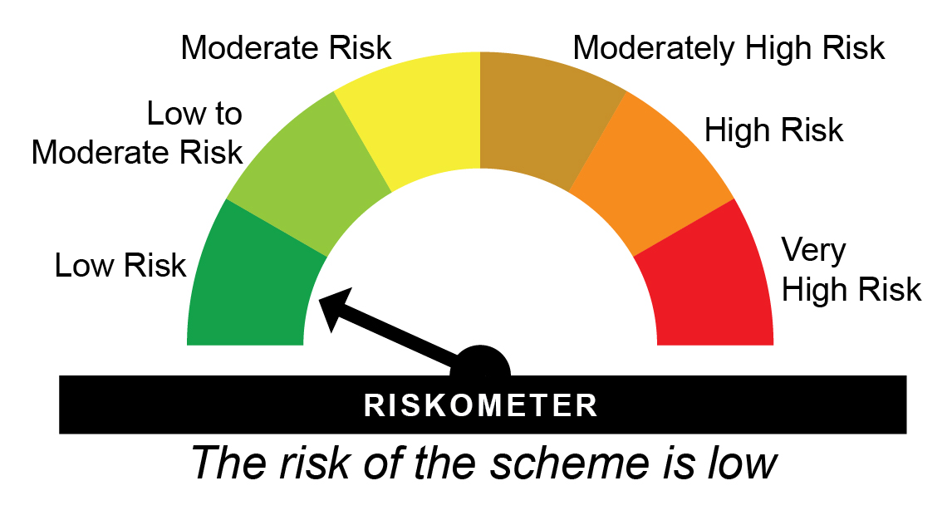
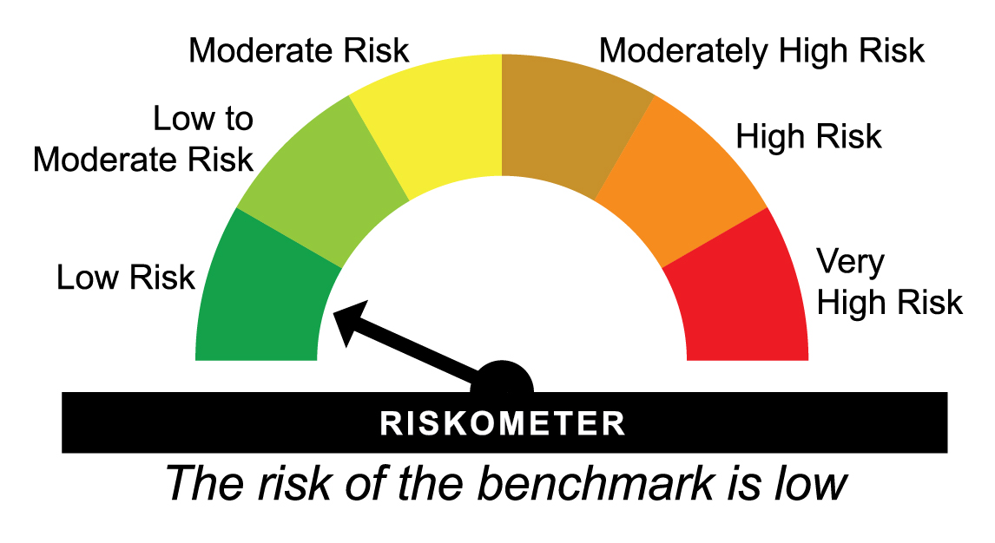
HDFC1DLETF - HDFC NIFTY 1D RATE LIQUID ETF - Regular Plan - Growth |  |  |  |  |  | NAV as at May 30, 2025 |  | 1104.9153 | Scheme Riskometer | Benchmark Riskometer
Date | Period | NAV per Unit (₹) | Scheme Returns (%)^ | Benchmark Returns(%)# | Additional Benchmark Returns ##(%) | Value of Investment of ₹ 10000@
 |  |  |  |  |  | Scheme (₹) | Benchmark #(₹) | Additional Benchmark ##(₹)

May 31, 24 | Last 1 Year | 1,047.069 | 5.52 | 6.5 | 11.71 | 10,551 | 10,648 | 11,168
Aug 24, 23 | Since Inception | 1,000.000 | 5.81 | 6.68 | 10.23 | 11,049 | 11,210 | 11,878
^Past performance may or may not be sustained in future and is not a guarantee of any future returns. # NIFTY 1D Rate Index ## CRISIL 10 year Gilt Index
The Scheme does not offer any Plans/Options. The scheme is managed by Swapnil Jangam (since August 31, 2024).
$Performance of the fund has been calculated based on the assumption that all dividends during the period have been reinvested in the scheme at the then prevailing NAV.
Since Inception Date = Date of First allotment in the Scheme / Plan.
Load is not taken into consideration for computation of performance.

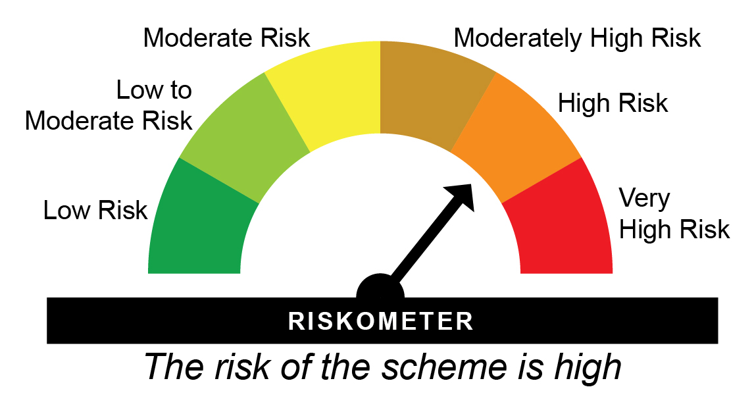

HDGETF - HDFC Gold ETF - Regular Plan - Growth |  |  |  |  |  | NAV as at May 30, 2025 |  | 81.9655 | Scheme Riskometer | Benchmark Riskometer
Date | Period | NAV per Unit (₹) | Scheme Returns (%)^ | Benchmark Returns(%)# |  | Value of Investment of ₹ 10000@
 |  |  |  |  |  | Scheme (₹) | Benchmark #(₹)

May 31, 24 | Last 1 Year | 62.675 | 30.78 | 32.18 |  | 13,068 | 13,208
May 31, 22 | Last 3 Years | 45.384 | 21.78 | 22.94 |  | 18,060 | 18,583
May 29, 20 | Last 5 Years | 42.513 | 14.01 | 14.97 |  | 19,280 | 20,105
May 29, 15 | Last 10 Years | 25.687 | 12.29 | 13.4 |  | 31,910 | 35,214
Aug 13, 10 | Since Inception | 18.003 | 10.78 | 11.7 |  | 45,528 | 51,472
^Past performance may or may not be sustained in future and is not a guarantee of any future returns. Returns greater than 1 year period are compounded annualized (CAGR). # Domestic Price of Physical Gold
The Face Value per Unit is revised to ` 1 (earlier ` 100) and Allotment Price per unit is ` 18.0033 (earlier ` 1,800.3288) w.e.f. February 19, 2021.
All return computations have been suitably adjusted for this change. Since inception returns are computed on the allotment price.
The Scheme does not offer any Plans/Options.
The scheme is managed by Bhagyesh Kagalkar (Dedicated Fund Manager for commodities related investments viz. Gold) (since February 02, 2022).
Since Inception Date = Date of First allotment in the Scheme / Plan.
Load is not taken into consideration for computation of performance.

HSILVERETF - HDFC Silver ETF - Regular Plan - Growth |  |  |  |  |  | NAV as at May 30, 2025 |  | 94.531 | Scheme Riskometer | Benchmark Riskometer
Date | Period | NAV per Unit (₹) | Scheme Returns (%)^ | Benchmark Returns(%)# |  | Value of Investment of ₹ 10000@
 |  |  |  |  |  | Scheme (₹) | Benchmark #(₹)

May 31, 24 | Last 1 Year | 91.183 | 3.67 | 4.32 |  | 10,366 | 10,431
Sep 02, 22 | Since Inception | 52.518 | 23.9 | 25.76 |  | 18,000 | 18,752
^Past performance may or may not be sustained in future and is not a guarantee of any future returns. Returns greater than 1 year period are compounded annualized (CAGR). # Domestic Prices of physical Silver (based on LBMA Silver daily spot fixing price)
The Scheme does not offer any Plans/Options. The scheme is managed by Bhagyesh Kagalkar (Dedicated Fund Manager for commodities related investments viz. Gold) (since inception).
Since Inception Date = Date of First allotment in the Scheme / Plan.
Load is not taken into consideration for computation of performance.

